1. Title Page
Grocery Basket Analysis

Project Name: Instacart Grocery Basket Analysis
Date: Jan/2024
Analyst Name: Eduardo Sánchez-Durán

Contents:
Population Flow
Consistency checks
Wrangling steps
Column derivations
Visualizations
Recommendations

Citation: “The Instacart Online Grocery Shopping Dataset 2017”, Accessed from www.instacart.com/datasets/grocery-shopping-2017 via Kaggle on .

2. Population Flow
Title page

Population flow

Exclusion flag
Condition: max_order <
Obervations to be removed:
Final total count of order_products_all:

Orders_products_combined
Orders_products_merged
Orders_products_all

Total: 32404859, 19
Total: 32434489,10
Total: 32404859,34

1.) The grey boxes in the first row of the population flow represent the original data sets as they were when you downloaded them. In the Total fields you need to add the count of the rows when you imported the data set into Jupyter.
2.) The second row of boxes (coloured) represents the data sets after you manipulated them, e.g., removed missing values and duplicates. In the Total fields you need to add the count of the rows after conducting these operations. This offers a visual oveview of how the data flows throughout the data consistency checks.
3.) The third row, where also the arrows are coloured, represents the merges you performed between the datasets. In the Total fields you need to add the count of the rows in the merged datasets, so that you end up with the final dataset (in the red box). Keep in mind the final dataset should be without exclusions (based on the exclusion flag).

3. Consistency checks
 |  |  |  | 3. Consistency checks
Consistency checks

Dataset | Missing values | Missing values treatment | Duplicates
orders | days_since_prior_order, there 206209 missing values | for the 206209 missing values, the values needed to remain in the dataset since the 'order_number' of each of these customers is 1. | No duplicates found
products | product_name have 16 missing values | For the missing values in product_name, I remove the missing values | 5 Duplicates found and removed
orders_products_prior | no missing values found | no missing values to treat | No duplicates found
customers | In first_name column there NaN values found | No action required since the rest of the information is usable for our analysis | No duplicates found

4. Wrangling steps
 |  |  |  | 4. Wrangling steps
Wrangling steps

Columns dropped | Columns renamed | Columns' type changed | Comment/Reason
 |  | order_id | changed 'order_id' from integer to a string
 |  | user_id | changed 'user_id' from integer to a string
 | order_dow |  | changed to 'orders_day_of_week'
eval_set |  |  | removed 'eval_set' as it is an unnecessary column
unnamed: 0 |  |  | removed 'unnamed: 0' as it is an unnecessary column
_merge |  |  | removed as it was unnecessary column
 | Surnam |  | it needed to be lowercased, formating
 |  | first_name | change the column mixed values to 'str' type
 | First Name |  | it needed to be lowercased, formating
 | STATE |  | it needed to be lowercased, formating
 | Gender |  | it needed to be lowercased, formating
 | Age |  | it needed to be lowercased, formating
 | fam_status |  | it needed to be lowercased, formating
 | n_dependents |  | it needed to be lowercased, formating
add_to_cart_order |  |  | removed as it was unnecessary column
date_joined |  |  | removed as it was unnecessary column
aisle_id |  |  | removed as it was unnecessary column
 | index column |  | rename the index column as department_id
first_name |  |  | PII- Security risk
last_name |  |  | PII- Security risk

5. Column derivations
 |  |  |  | Title page

Column derivations and aggregations

Dataset | New column | Column/s it was derived from | Conditions
df_ords_prods_merged | price_label | prices | def price_label(row): if row['prices'] <= 5: return 'Low range product' elif (row['prices'] > 5) and (row['prices'] <= 15): return 'Mid range product' elif row['prices'] > 15: return 'High range product' else: return 'Not enough data'
df_ords_prods_merged | price_range_loc | prices | df.loc[df['prices'] > 15, 'price_range_loc'] = 'High range product' df.loc[df['prices'] > 15, 'price_range_loc'] = 'High range product' df.loc[(df['prices'] <= 15) & (df['prices'] > 5), 'price_range_loc'] = 'Mid range product' df.loc[df['prices'] <= 5, 'price_range_loc'] = 'Low range product'
df_ords_prods_merged | busiest_day | orders_day_of_week | result = [] for value in df_ords_prods_merged["orders_day_of_week"]: if value == 0: result.append("Busiest day") elif value == 4: result.append("Least busy") else: result.append("Regularly busy")
df_ords_prods_merged | busiest_days | orders_day_of_week | results = [] for value in df_ords_prods_merged["orders_day_of_week"]: if value == 0 or value == 1: results.append("Busiest days") elif value == 4 or value == 3: results.append("Least busy days") else: results.append("Regularly busy days")
df_ords_prods_merged | busiest_period_of_day | order_hour_of_day | result1 = [] for value in df_ords_prods_merged["order_hour_of_day"]: if value == 10 or value == 11 or value == 14 or value == 15 or value == 13 or value == 12: result1.append("Most orders") elif value == 3 or value == 4 or value == 2 or value == 5 or value == 1 or value == 0: result1.append("Fewest orders") else: result1.append("Average orders")
df_ords_prods_merge | loyalty_flag | max_order | df_ords_prods_merge.loc[df_ords_prods_merge['max_order'] > 40, 'loyalty_flag']='Loyal customer' df_ords_prods_merge.loc[(df_ords_prods_merge['max_order'] <= 40) & (df_ords_prods_merge['max_order'] > 10), 'loyalty_flag'] = 'Regular customer' df_ords_prods_merge.loc[df_ords_prods_merge['max_order'] <= 10, 'loyalty_flag'] = 'New customer'
df_ords_prods_merge | spend_average | user_id , prices | df_ords_prods_merge['spend_average'] = df_ords_prods_merge.groupby(['user_id'])['prices'].transform('max')
df_ords_prods_merge | spending_flag | spend_average | df_ords_prods_merge.loc[df_ords_prods_merge['spend_average'] < 10,'spending_flag'] = 'Low spender' df_ords_prods_merge.loc[df_ords_prods_merge['spend_average'] >= 10,'spending_flag'] = 'High spender'
df_ords_prods_merge | order_frequency | user_id , days_since_prior_order | df_ords_prods_merge['order_frequency'] = df_ords_prods_merge.groupby(['user_id'])['days_since_prior_order'].transform('max')
df_ords_prods_merge | order_frequency_flag | order_frequency | df_ords_prods_merge.loc[df_ords_prods_merge['order_frequency'] > 20,'order_frequency_flag']='Non-frequent customer' df_ords_prods_merge.loc[(df_ords_prods_merge['order_frequency'] > 10 ) & (df_ords_prods_merge['order_frequency'] <= 20), 'order_frequency_flag'] = 'Regular customer' df_ords_prods_merge.loc[df_ords_prods_merge['order_frequency'] < 10,'order_frequency_flag']='Frequent customer'
df_ords_prods_custo | region | state | df_ords_prods_custo.loc[df_ords_prods_custo['state'].isin(['Maine','New Hampshire','Vermont','Massachusetts', 'Rhode Island','Connecticut','New York','Pennsylvania','New Jersey']), 'region'] = 'Northeast' df_ords_prods_custo.loc[df_ords_prods_custo['state'].isin(['Delaware', 'Maryland','District of Columbia''Virginia''West Virginia','North Carolina','South Carolina', 'Georgia','Florida',' Kentucky', 'Tennessee', 'Mississippi', 'Alabama', 'Oklahoma', 'Texas', 'Arkansas', 'Louisiana']), 'region'] = 'South' df_ords_prods_custo.loc[df_ords_prods_custo['state'].isin(['Wisconsin','Michigan','Illinois','Indiana', 'Ohio', 'North Dakota','South Dakota''Nebraska','Kansas''Minnesota','Iowa''Missouri']), 'region'] = 'Midwest' df_ords_prods_custo.loc[df_ords_prods_custo['state'].isin(['Idaho', 'Montana','Wyoming','Nevada','Utah','Colorado','Arizona','New Mexico','Alaska','Washington','Oregon','California','Hawaii']), 'region'] = 'West'
df_ords_prods_custo | Customer_activity | max_order | df_ords_prods_custo.loc[(df_ords_prods_custo['max_order'] < 5), 'Customer_activity'] = "Low-activity" df_ords_prods_custo.loc[(df_ords_prods_custo['max_order'] >= 5), 'Customer_activity'] = "High-activity"
df_dept_cust_ords | age_group | age | age_bins = [18, 25, 35, 45, 55, 65, 100] age_labels = ['18-24', '25-34', '35-44', '45-54', '55-64', '65+'] df_dept_cust_ords['age_group'] = pd.cut(df_dept_cust_ords['age'], bins=age_bins, labels=age_labels, right=False)
df_dept_cust_ords | family_groups | family_status , n_dependants | def determine_family_groups(row): if row['family_status'] == 'married' and row['n_dependants'] == 0: return 'Married_no_kids' elif row['family_status'] == 'married' and row['n_dependants'] >= 1: return 'Married_kids' elif row['family_status'] == 'single' and row['n_dependants'] >= 1: return 'Single_kids' elif row['family_status'] == 'single' and row['n_dependants'] == 0: return 'Single_no_kids' elif row['family_status'] == 'divorced/widowed' and row['n_dependants'] == 0: return 'Divorced/widowed_no_kids' elif row['family_status'] == 'divorced/widowed' and row['n_dependants'] >= 1: return 'Divorced/widowed_kids' elif row['family_status'] == 'living with parents and siblings' and row['n_dependants'] == 0: return 'Living with family_no_kids' elif row['family_status'] == 'living with parents and siblings' and row['n_dependants'] >= 1: return 'Living with family_kids' else: return 'Other' Apply the custom function to create the 'family_groups' column df_dept_cust_ords['family_groups'] = df_dept_cust_ords.apply(determine_family_groups, axis=1)
df_dept_cust_ords | income_group | income | income_bins = [min_income, 50000, 100000, 150000, 200000, 250000, max_income] income_labels = ['0-49k', '50k-99k', '100k-149k', '150k-199k', '200k-250k', '250k+'] # Add an 'income_group' column to the DataFrame df_dept_cust_ords['income_group'] = pd.cut(df_dept_cust_ords['income'], bins=income_bins, labels=income_labels, right=False)

6. Visualizations
Title page

Visualisations

In this tab you should include all the visualtions from Exercises 4.9 and 4.10, alongside the questions from the project brief that they answer. Include any commentary on the relationship between different variables.

Orders Day of Week

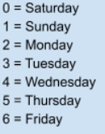

At first glance it can be seen that Saturdays and Sundays show a high volume of consumption, which tells us that the high volume occurs on weekends.

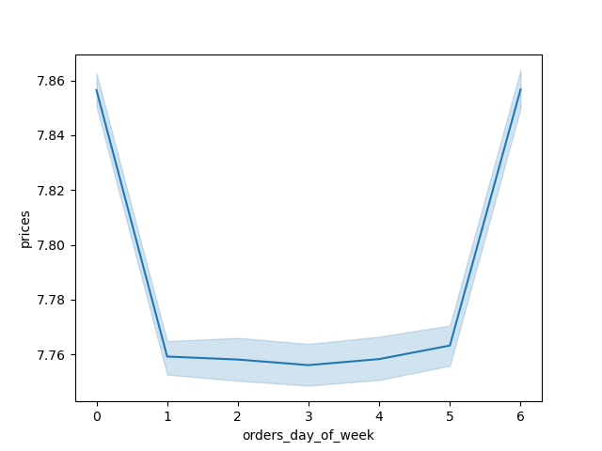
Prices of Orders Day of Week

We can observe the weekends with the highest prices consumed, leaving the other days of the week in a consumption of lower prices

Order Hour of Day


It can be seen in the histogram how the number of orders
increases starting at 9 am,
having a constant sales peak between 10 am and 3 pm,
where the number of orders gradually begins to decrease.

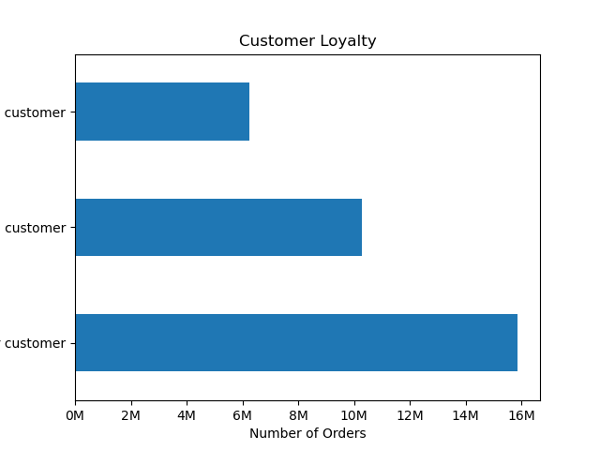

new

loyal
It can see the highest profit almost 50 percent is generated by regular customers

regular



It can be observed in the early morning hours, high value sales compared with the sales around 10 a.m.

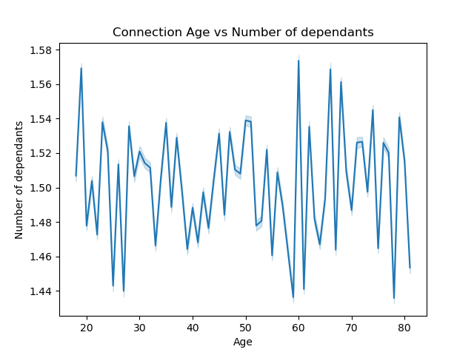

There is no correlation between the variables age and number of dependents, the differences found are very random.



The graph shows a greater concentration of income around 200,000. Likewise, to a certain extent income begins to decrease until reaching a ceiling of 400,000 for the youngest population up to 40 years of age. This tells us that the population over 40 years of age has greater purchasing power

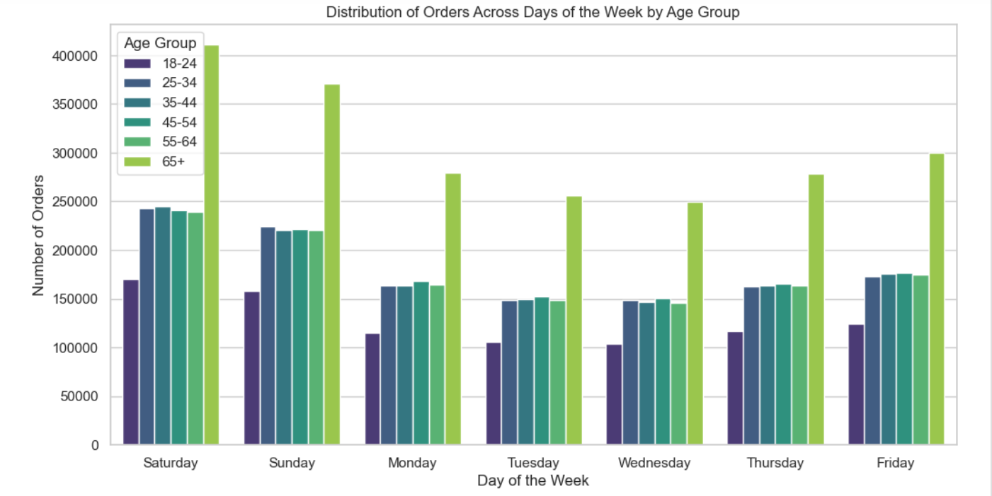

There are distinct patterns in ordering behavior throughout the week, weekdays and weekends show different ordering behaviors.Each age group contributes uniquely to the overall distribution of orders. and the 65+ age groups exhibit notable peaks on specific days

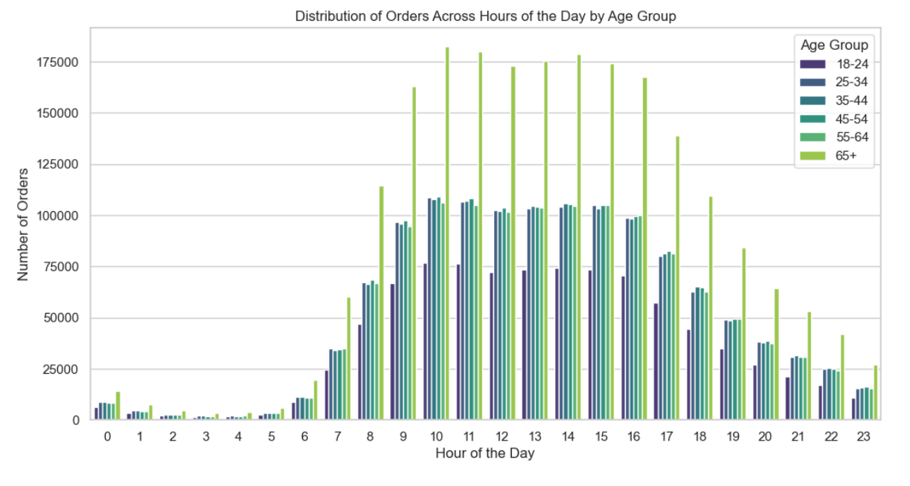

There is a noticeable increase in orders during the morning hours (8 AM - 10 AM) across all age groups.The 25-34, 35-44, and 45-54 age groups show peaks in orders during typical lunch hours (12 PM - 2 PM).There is a decrease in orders during the early afternoon, followed by a pickup in the evening (5 PM - 7 PM).

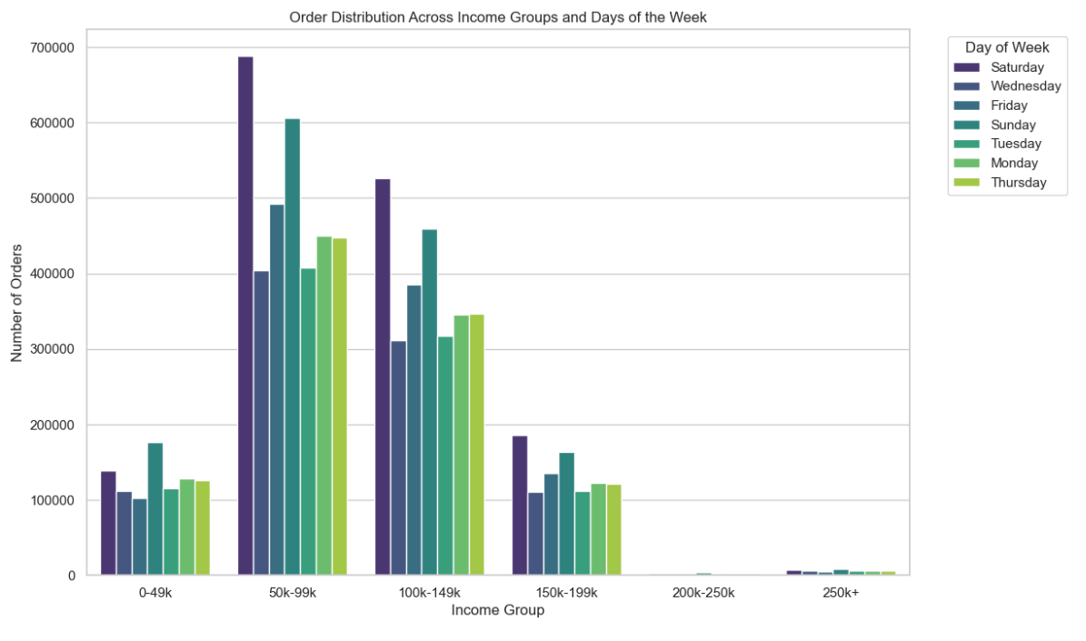

There are variations in the distribution of orders across different income groups, Some income groups exhibit higher order counts on specific days of the week. Middle-income groups show consistent order counts during week, Lower-income groups exhibit varied order counts across all days of the week.Upper-income groups consistently place higher orders during weekdays

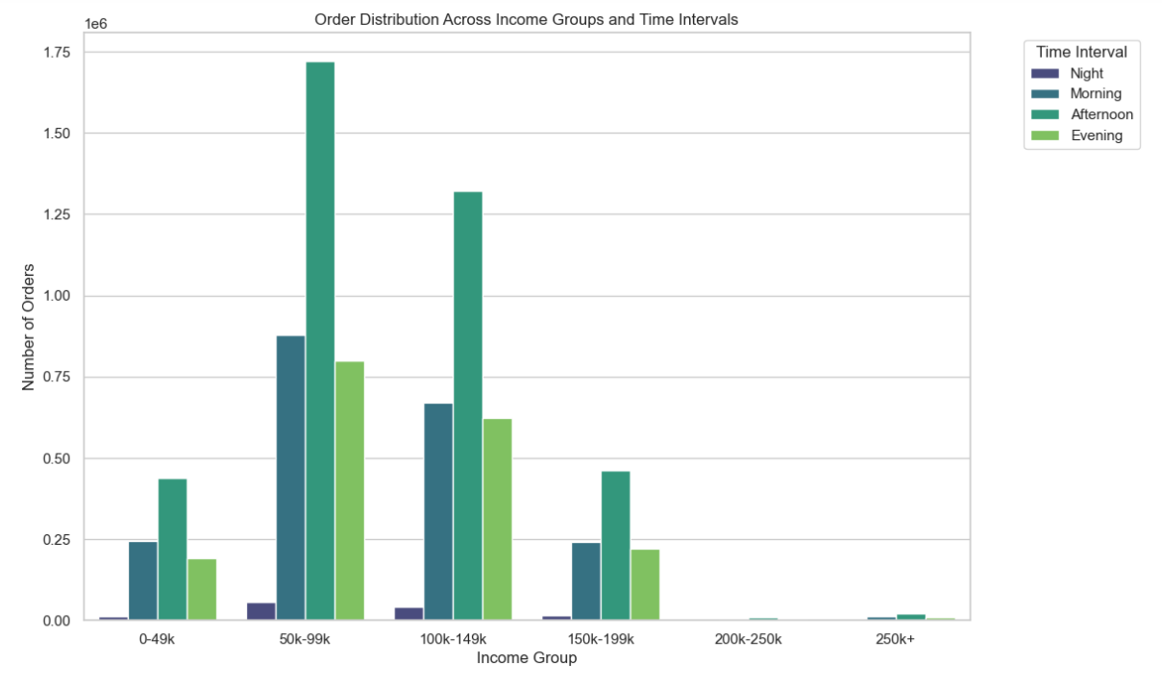

Observe that the Afternoon and Evening time intervals have higher order counts. are particular income groups that tend to place more orders during specific time intervals.For instance,if there is a consistent peak in orders during the Evening time interval, consider targeting marketing efforts during that time and consumers with higher income might have different work schedules or preferences for when they place their orders.

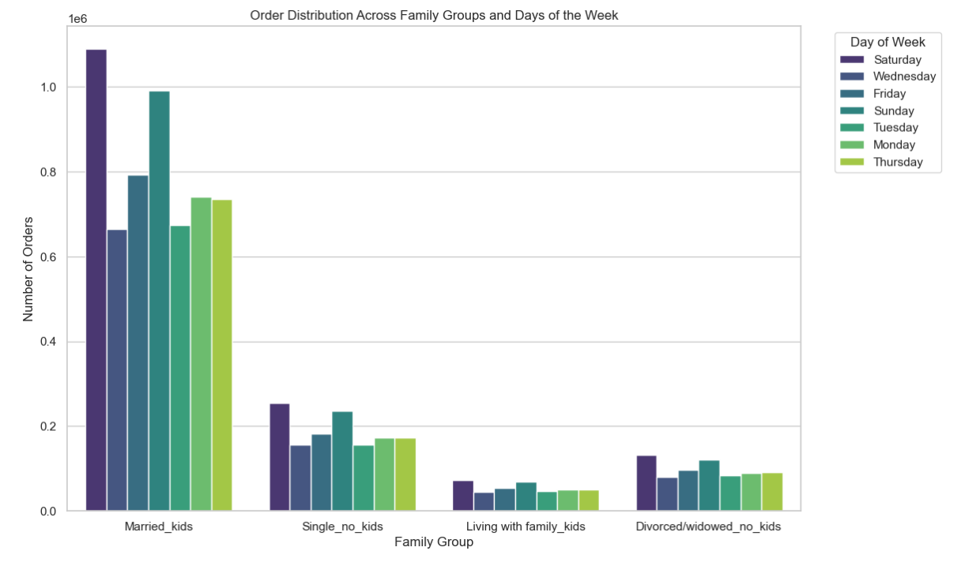

Observing the bars corresponding to Married_kids and Single_no_kids for each day of the week, identify which days have higher order volumes for each family group.
Married_kids tend to order more on Saturdays and Single_no_kids on weekdays, the marketing team can strategize promotions or targeted advertising to maximize engagement on these days.

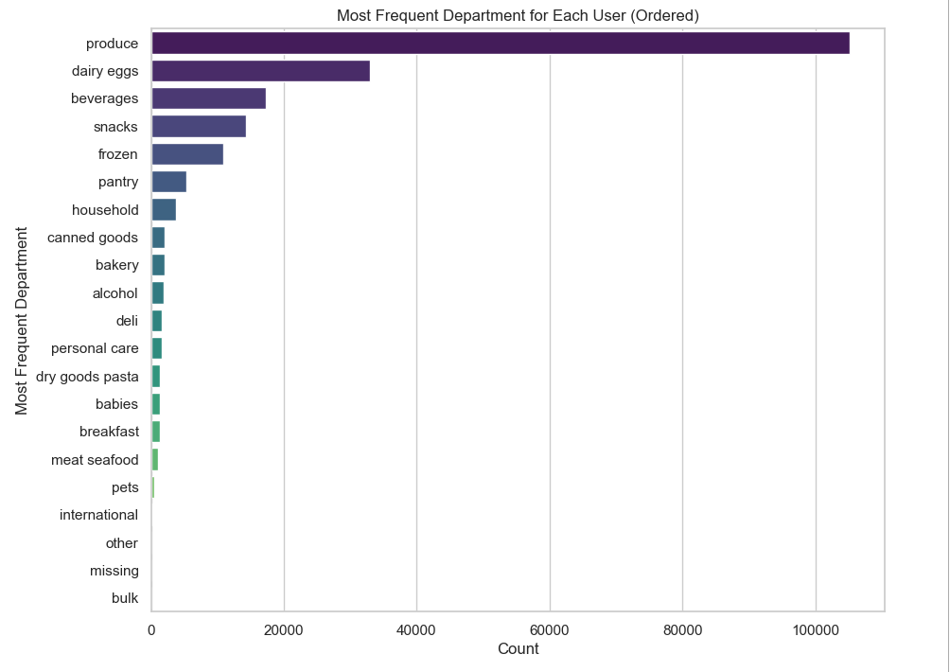

We can see the departments with the greatest demand for ordered products, or that allows us to take measures in the departments with the greatest commercial movement for instacart

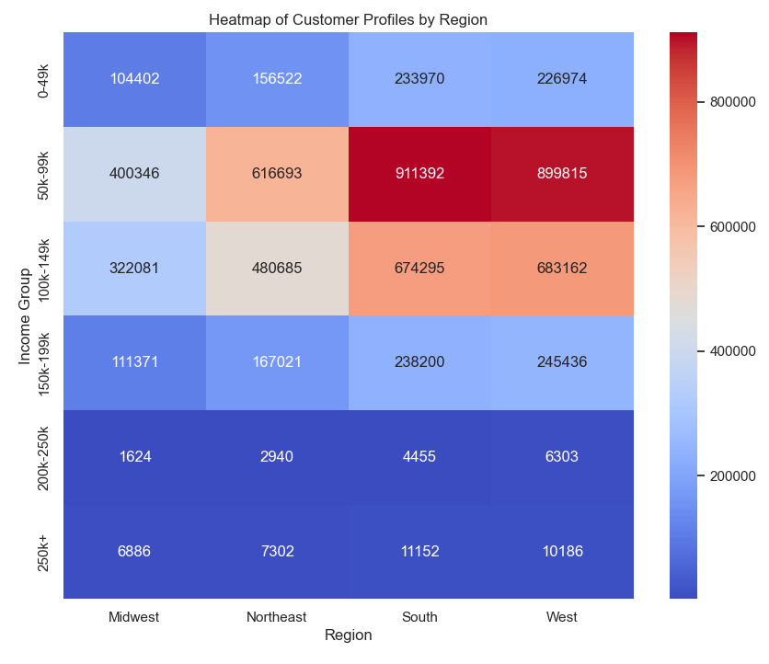

In this heat map, we can see the regions with the most income, having a noticeable difference in the southern and western areas, showing in those regions the high margins created by the income groups between 50k-99k and 100k-150k

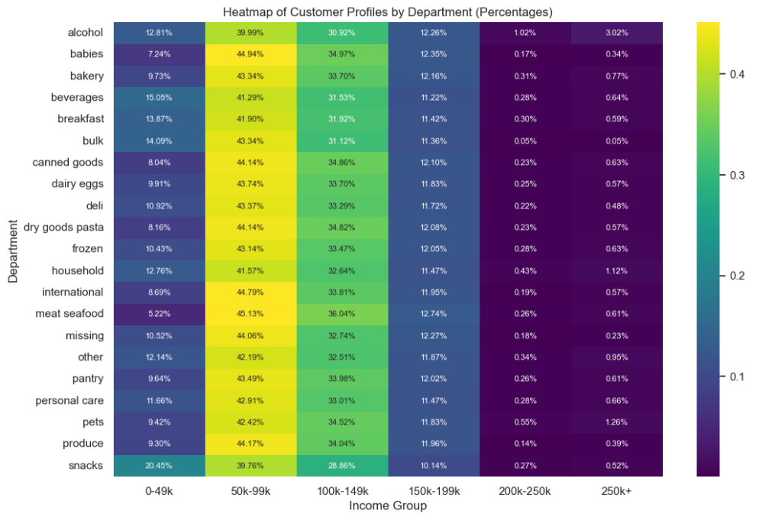

patterns in the heatmap that indicate strong relationships and concentrations of yellow cells indicate that a 50k-99k income group is more likely to purchase from all departments. low percentage purple cells indicate that a 200k above income group is less likely to purchase from all departments. the marketing team can tailor promotions and campaigns to that group in order to boost sales. Additionally, understanding cross-departmental patterns can help in developing more targeted and effective marketing strategies

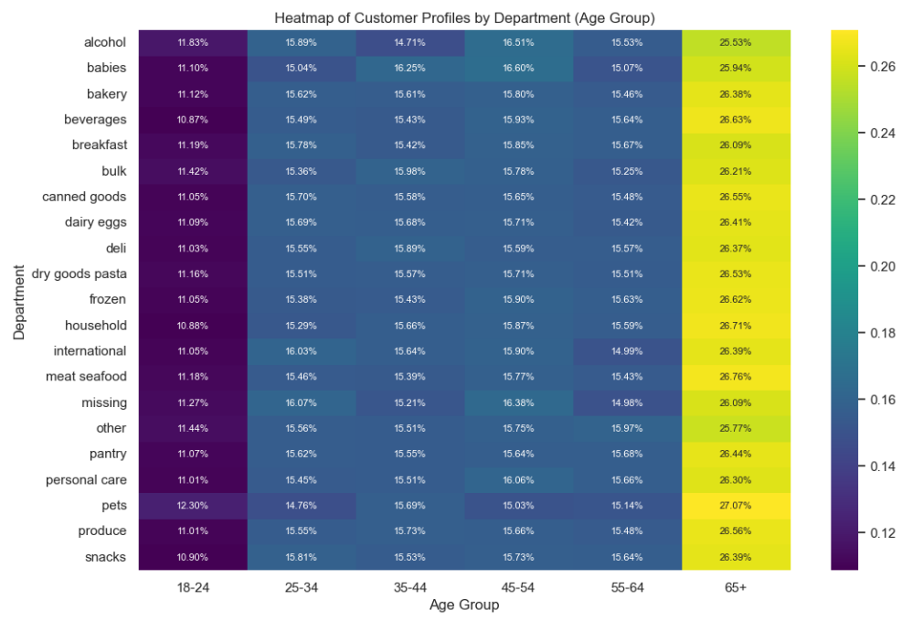

We can see the relationship between the age groups, the younger groups attend less than the groups of people over 65, who represent a higher percentage in all departments.

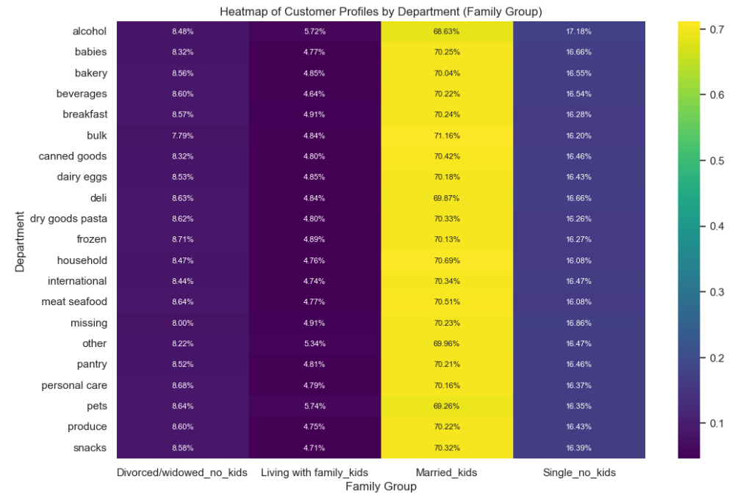

There is a relationship from the group "Married_Kids". a high percentage of consumption, with the "living with family_kids" group showing a relatively lower percentage

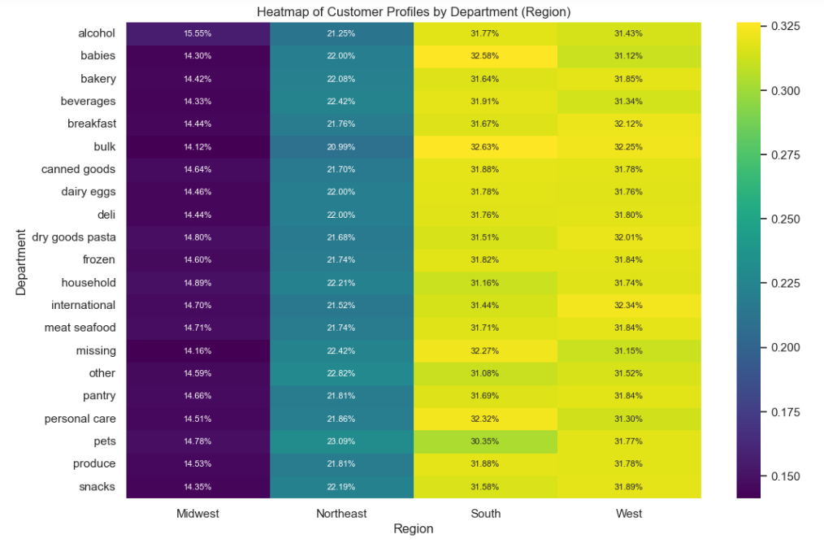

The relationship found between the different regions of high demand by department, more than half of the total are distributed in the southern and western regions.

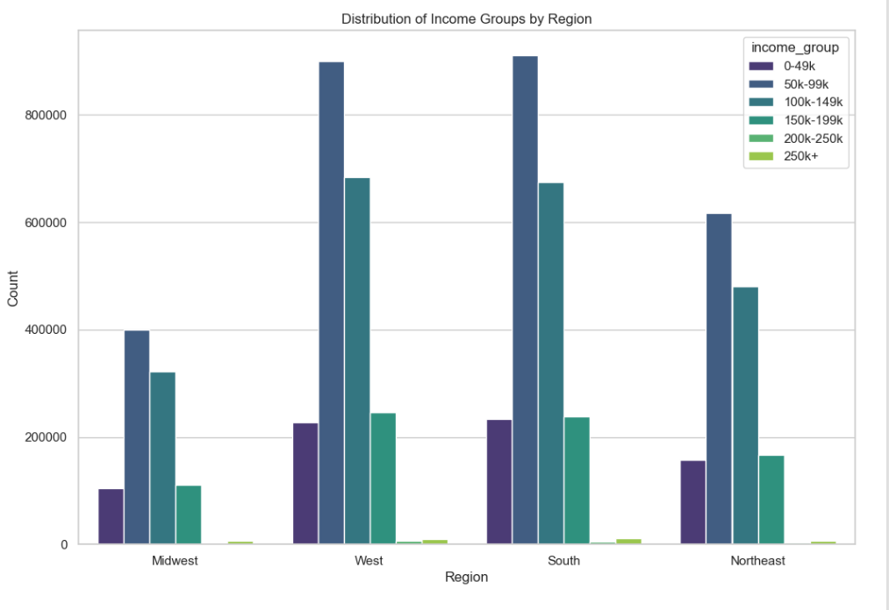

When observing the regions by income groups, as the 50k-99k group had been identified, and the 100k-150k group, they show high consumption in all regions, highlighting the aforementioned high consumption regions, south and west, that is relatively proportional in all regions

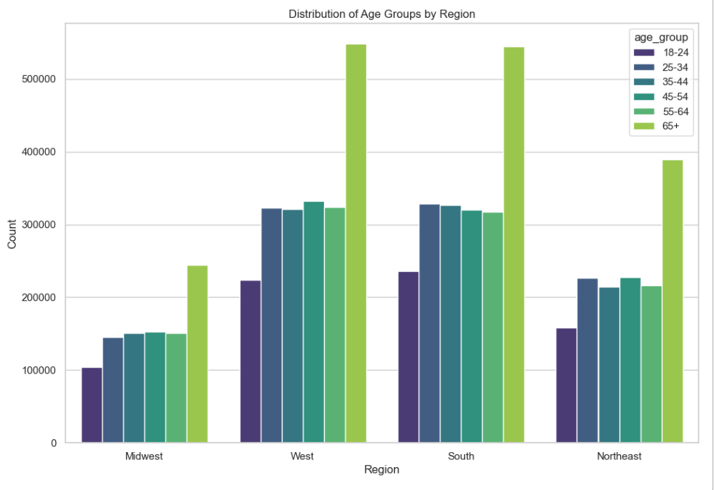

The groups of older adults can clearly be distinguished, they have a higher level of consumption in all regions, at the same time we notice that the groups of younger people show a lower level, leaving the other groups in uniformity for each region

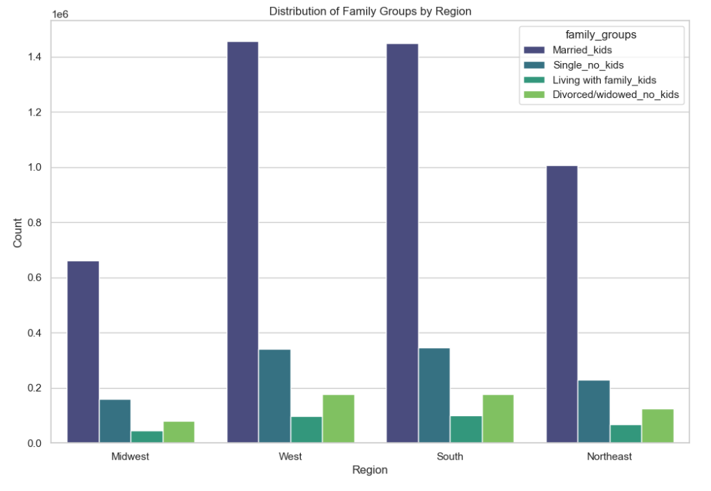

Analyzing the different regions with respect to family groups, we can see a large proportion of "married_kids" users for each region, "living with family_kids" lower attendance, leaving the other groups relatively uniform in each region.

Price Tags


Most products are in a range of $1-$15, which tells us that the majority of sales are easily affordable.

7. Recommendations
 |  | Title page

Recommendations

In this tab you should include any recommendations you would made to Instcart in terms of their marketing strategy based on the questions posed in the brief. Every key question has been covered in the Tasks of the Exercises - here you need to add an item - a visualisation or table/crosstable that is showing the answer in the data, acompanied by a comment from you. Please, list the questions below and add the answer underneath.

Question | Answer
The sales team needs to know what the busiest days of the week and hours of the day are (i.e., the days and times with the most orders) in order to schedule ads at times when there are fewer orders. | The busiest days of the week for orders are weekends, peaking on Saturday, followed by Sunday and Friday. The busiest hours are between 9 am and 4 pm. The number of orders increases from 9 am, having a constant sales peak between 10 am and 3 pm, where the number of orders begins to gradually decrease. Therefore, the recommendation would be to focus on weekends, where there is more influx of customers, and between the hours of greatest activity, promotions could be made on days of low activity, to promote purchases.
What are the particular times of day when people spend the most money, as this could influence the type of products they advertise on these time periods. | We observe from the early hours of the morning, sales of higher cost products, however from 7am or 8am lower cost products begin to be sold, until a minimum is found at 10am, where it gradually increases again. high-value products can be offered in those early morning hours.
Instacart has a lot of products with different price tags. Marketing and sales want to use simpler price range groupings to help direct their efforts. | Most products are in a range of $1-$15, which tells us that the majority of sales are easily affordable.
Are there certain types of products that are more popular than others? The marketing and sales teams want to know which departments have the highest frequency of product orders. | We can see the departments with the greatest demand for ordered products, like : produce, dairy eggs, beverages, snacks and frozen as top 5. that allows us to take measures in the departments with the greatest commercial movement for instacart
The marketing and sales teams are particularly interested in the different types of customers in their system and how their ordering behaviors differ: What’s the distribution among users in regards to their brand loyalty (i.e., how often do they return to Instacart)? | It can be seen that the greatest benefit is generated by almost 50 percent of regular customers and the other 50 percent is distributed to a lesser extent by new or infrequent customers. Regular customers could be incentivized to keep them consistent, and At the same time, focus on new customers, to lead them to regular consumption. - People over 40 show greater purchasing power, which is a good objective to aim for. For the southern and western regions we see greater consumption by the population, likewise, older people are the ones who generate the greatest profits, in all regions. Spending in each region is proportional to the volume of orders. - Analyzing the different regions with respect to family groups, we can see a large proportion of "married_kids" users for each region, "living with family_kids" lower attendance, leaving the other groups relatively uniform in each region. We can deduce that younger single customers have lower incomes, and therefore consume fewer products, in turn we notice that older people have more purchasing power, therefore they buy more, in all regions regardless of the regions of greatest activity

